Lists
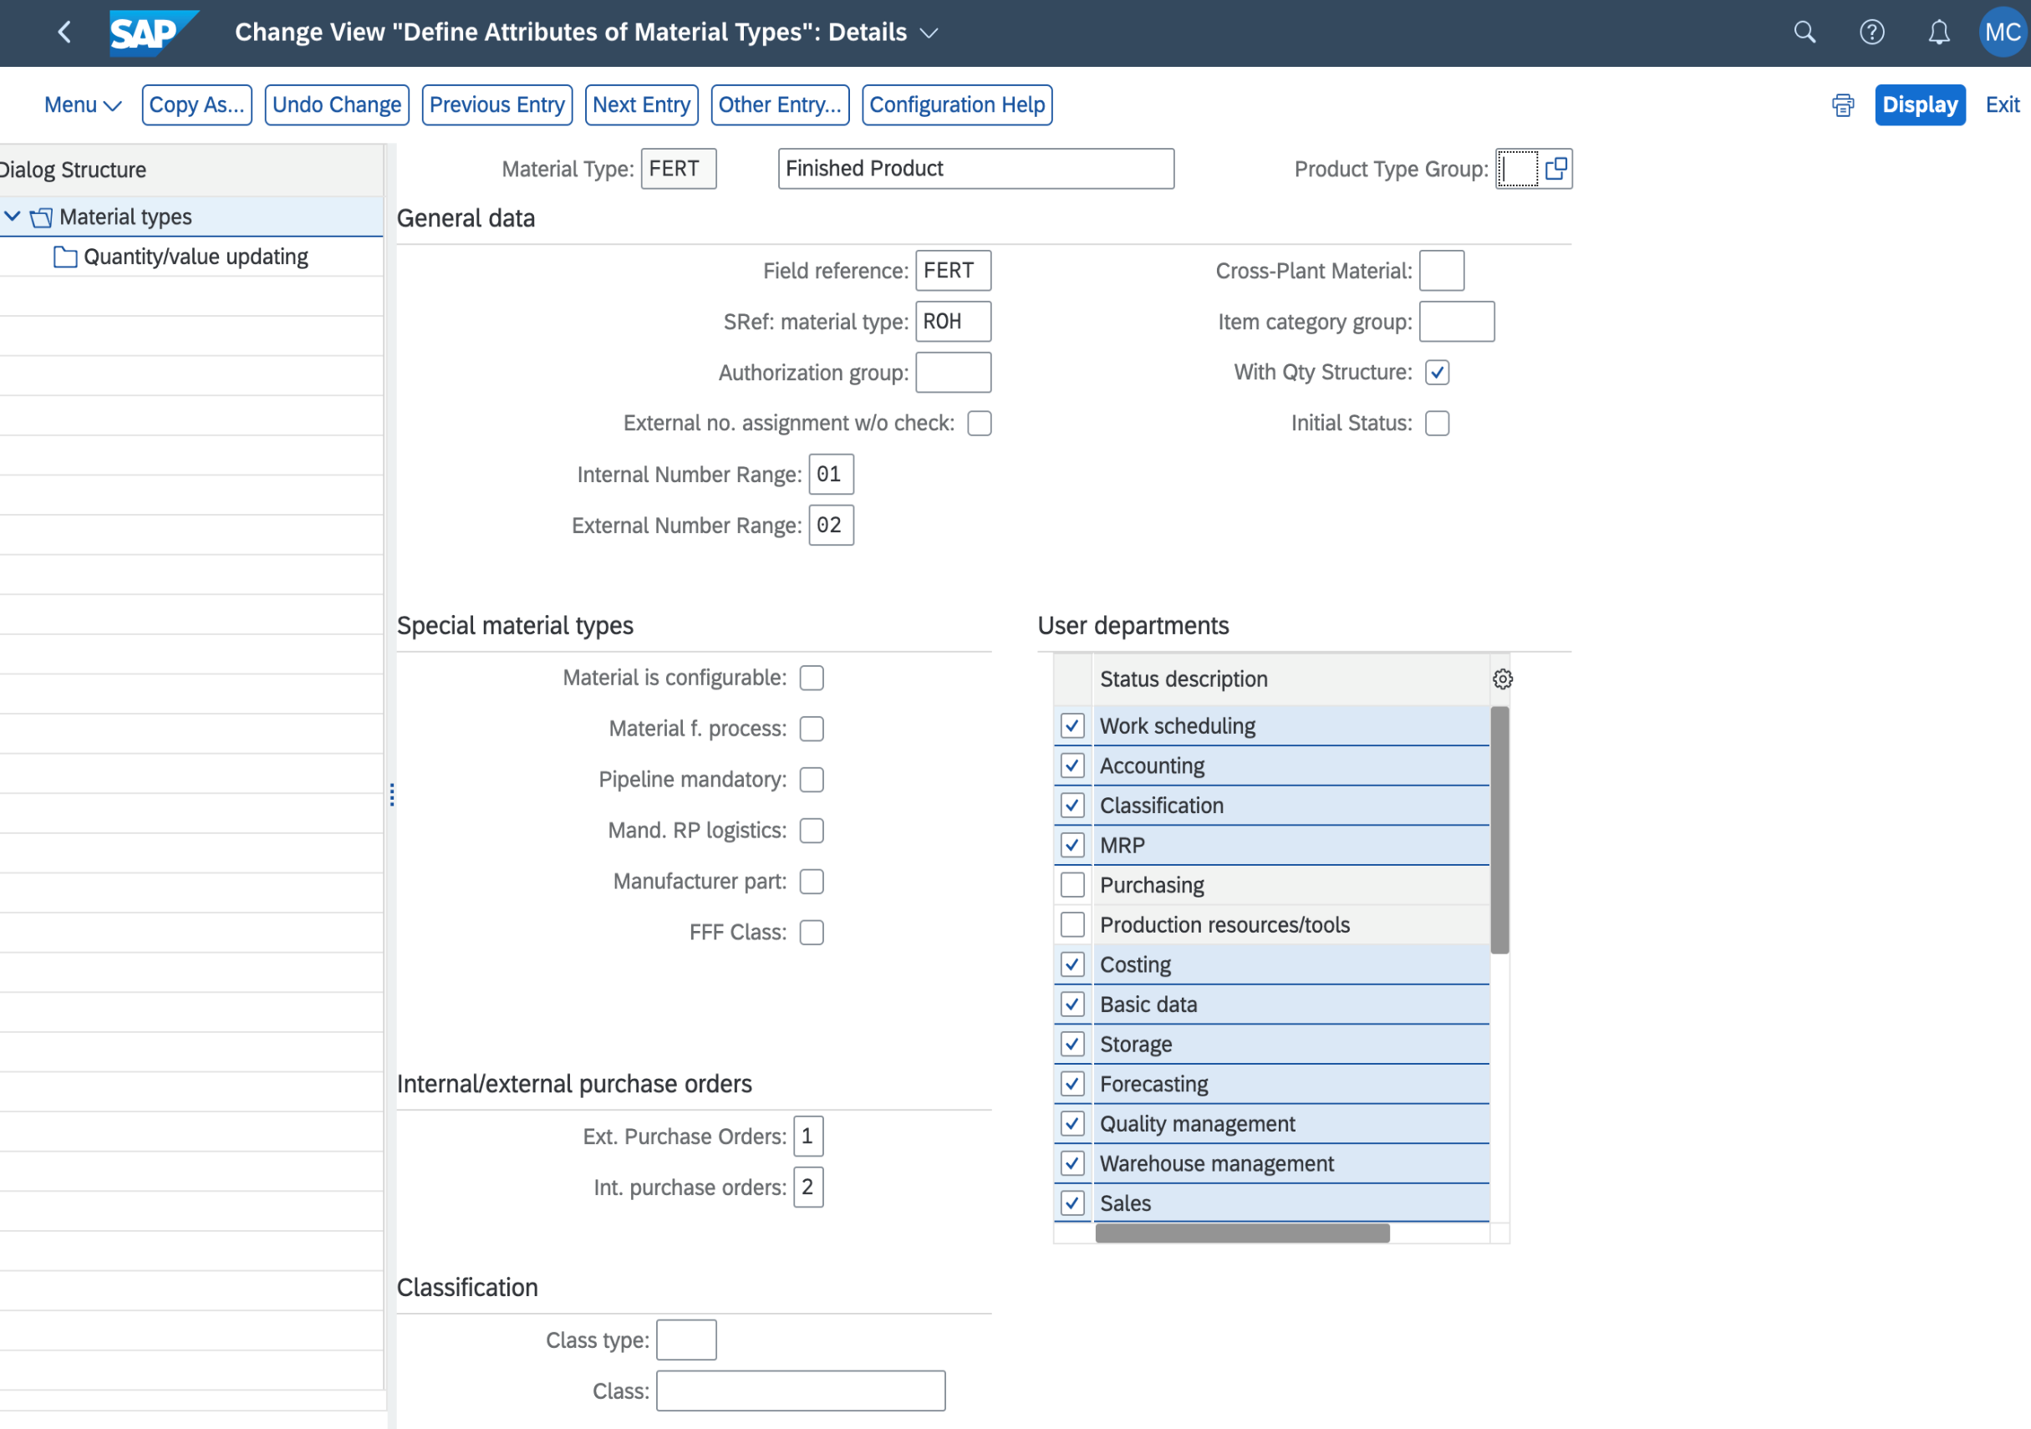
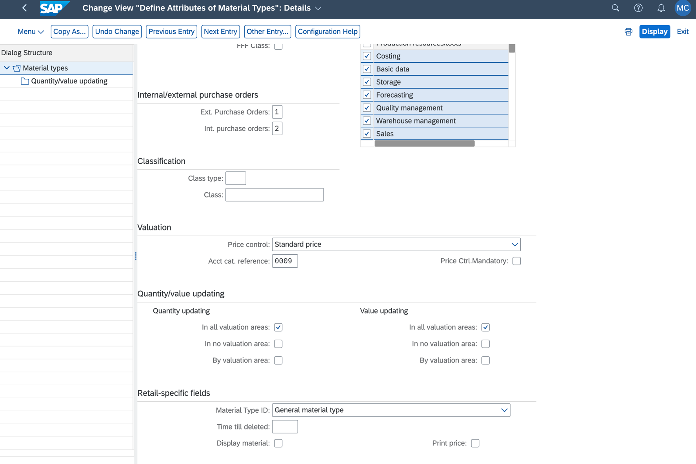
Material Types | Description | Material Type + Description | Product Type Group | Procurement Type | Material Group | Division | Valuation Class | Price Control | Inventory Management | MRP Type | Material Master View
All | All Materials | All- All Materials | All | In-house production |  |  | Based on accounting | Standard Price/Moving Average Price | Yes | Depending on Production | Basic Data, Purchasing, MRP, Accounting
ERSA | Spare Parts | ERSA- Spare Parts | 1-Material | External Procurement |  |  | N/A | Standard Price | No | Consumption Based | Basic Data, Sales, MRP, Accounting
FERT | Finished Product | FERT- Finished Product | 2-Service | Internal Procurement |  |  |  | Moving Average Price |  | N/A | Basic Data, Purchasing, Sales, Accounting
FHMI | Production Resource/Tool | FHMI- Production Resource/Tool | 3-Subscription | External Procurement/Internal Procurement |  |  |  | N/A |  |  | Basic Data, Purchasing
HALB | Semifinished Product | HALB- Semifinished Product |  | In-house production/External Procurement
HAWA | Trading Goods | HAWA- Trading Goods
KMAT | Configurable materials | KMAT- Configurable materials
LEIH | Returnable packaging | LEIH- Returnable packaging
MAT | Material general | MAT- Material general
NLAG | Non-Stock Material | NLAG- Non-Stock Material
PIPE | Pipeline Materials | PIPE- Pipeline Materials
ROH | Raw materials | ROH- Raw materials
SBPD | Sub. Billing Product | SBPD- Sub. Billing Product
SBRE | Sub. Billing Rate Element | SBRE- Sub. Billing Rate Element
SERV | Service Product | SERV- Service Product
SWNV | Software Non-Valuated | SWNV- Software Non-Valuated
UNBW | Nonvaluated Material | UNBW- Nonvaluated Material
VERP | Packaging | VERP- Packaging

